Group
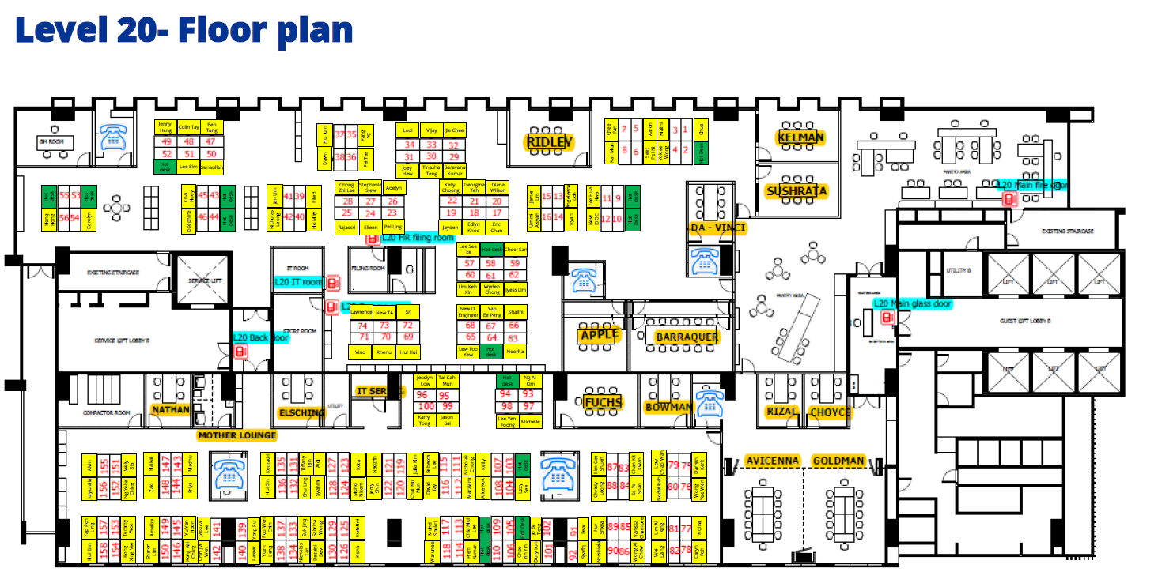
Group1 | Workstation No.
Julia | 20-119
Jerry | 20-122
Abu Zar | 20-124
Hanis | 20-103

Group2 | Workstation No.
Nadzrin | 20-121
Hakimi | 20-125
Syahmi | 20-128
Kota | 20-123

